Confirmed PO
PURCHASE ORDER |  |  |  |  |  |  |  |  |  |  |  |  | PT. LARA THALIA ABADI
PO NO | : |  |  |  |  |  |  |  |  |  | EVERBEST TOWER - CENGKARENG BUSINESS CITY TOWER M
 |  |  |  | EVERBEST |  |  |  |  |  |  |  |  | Jl. Atang Sanjaya no. 21 Benda - Tangerang Banten, Indonesia
DATE | : |  |  | REPEAT ORDER |  |  |  |  |  |  |  |  | PHONE : 021 - 2252 9090
TO | : EDE |  |  |  |  |  |  |  |  |  |  |  | E-MAIL ADDRESS :buyer@everbestgroup.com

DESCRIPTION | DEVELOP CODE | STYLE NAME | COLOUR | SIZES |  |  |  |  |  |  | QTY CARTON PER 20 | QTY PAIRS | UNIT PRICE | AMOUNT
 |  |  |  | 35 | 36 | 37 | 38 | 39 | 40 | 41
 | 开发代码 | 款式名称 |  |  |  |  |  |  |  |  |  |  | US$ | US$
EVERBEST LADIES SHOES -FAS -PUMP -HEEL |  |  |  |  |  |  |  |  |  |  | - | - | $- | $-
 |  |  |  |  |  |  |  |  |  |  | - | - | $- | $-
Upper : |  |  |  |  |  |  |  |  |  |  |  |  | $- | $-
Lining :
Insole :
Outsole :
Heel Height :
 |  |  |  |  |  |  |  |  |  |  | - | - |  | $-
Delivery Date
交货日期 |  |  |  |  | COLOR | 35 | 36 | 37 | 38 | 39 | 40 | 41 | TOTAL
LOGO : |  |  |  |  | 0 |  |  |  |  |  |  |  | 0
商标 |  |  |  |  | 0 |  |  |  |  |  |  |  | 0
TERM OF PAYMENT: | CREDIT |  |  |  | 0 |  |  |  |  |  |  |  | 0
{_alejandro_}
A/B/C/I/J
CARTON MARK ：
( 箱标志 ) |  |  |  |  | TOTAL |  |  |  |  |  |  |  | 0

PICTURE ( 图片 ):
0
0

 |  |  |  |  |  |  |  |  |  |  |  |  |  |  |  | Please give us EXTRA TOPLIFT/DIAMOND INSIDE shoesbox, based on the shoes

 |  |  |  |  |  |  |  |  |  |  |  |  |  |  |  | 請給我們額外的TOPLIFT/DIAMOND 在鞋盒,根據鞋子

0 |  | 0 |  | 0 |  | 0 |  |  |  |  |  |  | 0 |  | 0
SHOE BOX BARCODE : |  | PACKAGING 包装: |  |  | QR CODE STICKER: |  |  |  |  |  |  |  | LINING |  | SHOE MATERIAL CODE
(请贴这些条码在鞋盒按照图片) |  | 鞋盒 和 箱子 包法 |  |  | 二维码贴纸: |  |  |  |  |  |  |  | (打印在内里上） |  | 鞋子材料贴标
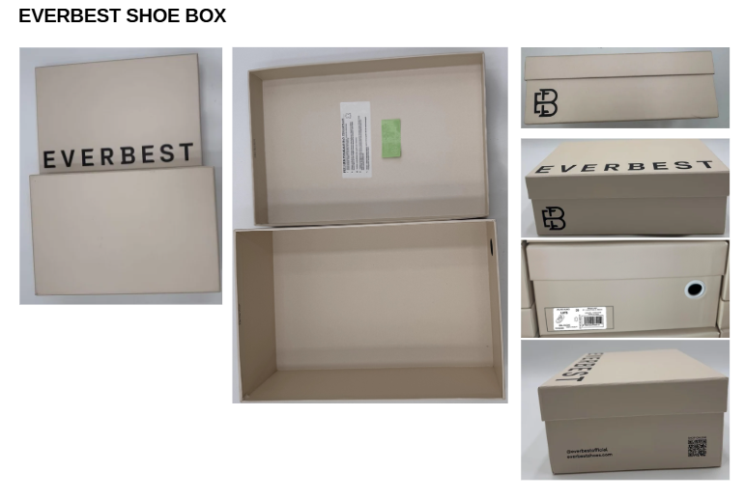
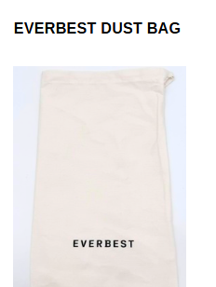
 |  |  |  |  |  |  |  |  |  |  |  |  | INSOLE 垫脚

ĀĀĀĀ编号，码数，生产号码

ĀĀĀĀ请放 二维码贴纸
在每个鞋盒里

ĀĀĀĀ请贴在两边鞋的外底
ĀĀĀĀ请用LTA胶带封箱 。请看图片

1. USING NEW SHOES BOX DESIGN |  | 1. PLEASE USE NEW DESIGN OF DUSTBAG AND NEW WRAPPING PAPER |  |  | 2. PLEASE PUT QR CODE STICKER IN EACH SHOE BOX |  |  |  |  |  |  |  | USE NEW LOGO AND LEATHER LOGO |  | PUT STICKERS AS SHOES COMPOSITION MATERIAL
2. LADIES SHOES BOX USING RED EYELET
3. MENS SHOES BOX USING BEIGE EYELET

